Лист1
Create 2 tests for your web-site with valid and invalid data. Use: 1.Equivalent partitioning.
We need to try to register on the website using this valid/invalid data

Valid Data | Ivalid Data
"+48888888888" | 1234gmail.com
1234@gmail.com | 1234@gmailru
 | "+488888888888"
 | "+48888888888K"

2. Boundary values
Suppose that we have password requirements. Password must be at least 8 characters.
Using "Boundary values"technique we determined, that we need check 7 character password and 8 character passord.
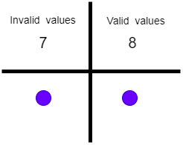

 | Valid Data | Ivalid Data
password | password | passwor

Suppose that we have password requirements. The "phone number" field must contain 11 digits.
Using "Boundary values"technique we determined, that we need check phone number 10 characters long, 11 characters long, 12 characters long.

 | Valid Data | Ivalid Data
phone number | "+79789999999" | "+7978999999"
 |  | "+797899999999"
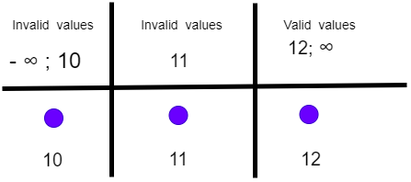

3. Pairwise testing.
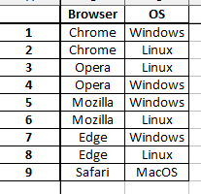
4. Guessing mistakes: - We need to try register without entering data - We need to try register by entering tomorrow's date of birth - We need to try login without entering data - We need to try login with invalid password

